Arquitectura_Datos
FUENTES ORIGEN | BRONZE |  | SILVER |  | GOLD
 | ROUTE (Based on Data Sources) | DATA SETS From Data Sources | ROUTE (Based on Taxonomy) | DATA ASSETS (Data Democratization // Market Place) | RUTAS (Use Case/ Common Space) | DATA SETS for Consumption

GDP Current Prices Annual USD
GDP Current Prices Annual USD
GDP Current Prices Annual USD
OECD_stat | Source: OECD_stat |  | Domain: Macroeconomics Subdomain: Macro National Accounts Route: MAC_MNA_MacroNationalAccounts |  | Use Case: Macroeconomic Data

GDP PerCapita Current Prices Annual USD
GDP PerCapita Current Prices Annual USD

GDP PerCapita Current Prices Annual USD

GDP Constant Prices Annual USD
GDP Constant Prices Annual USD

GDP Constant Prices Annual USD
GDP Per Capita Costant Prices USD
GDP Per Capita Costant Prices USD

GDP Per Capita Constant Prices USD

Actual GDP Current Prices Growth Previous Quarter

Actual GDP Current Prices Growth Previous Quarter

GDP Current Prices Growth Previous Quarter

Actual GDP Current Prices Quarter Local Currency

Actual GDP Current Prices Growth Same Quarter Previous Year

GDP Current Prices Quarter Local Currency

Actual GDP Current Prices Growth Same Quarter Previous Year

GDP Current Prices Growth Same Quarter Previous Year

gdpPerCapitaCurrent PricesAnnual_USD_Bronze

Dimtable_CountryBy_CountryGroup
Dimtable_CountryBy_CountryGroup
Dimtable_CountryBy_CountryGroup
FMI_WEO | Source: FMI_WEO
 |  |  | Domain: Macroeconomics Subdomain: Macro Commodities Route: MAC_MCO_MacroCommodities

Actual&Forecast Commodities Prices
Actual&Forecast Commodities Prices
WEO Database By CountryGroup

WEO Database By Country

Minimum Wages At CurrentPrices Silver
OECD_stat | Source: OECD_stat |  | Domain: Macroeconomics Subdomain: Macro Labour Route: MAC_MLA_MacroLabour
Minimum Wages At CurrentPrices Silver
Minimum Wages At Current Prices Bronze

Actual Unemployment Rate

Actual Unemployment Rate

Unemployment Rate Monthly Bronze

Actual Inflation Avg Consumer Prices

 |  |  | Domain: Macroeconomics Subdomain: Macro General Statistics Route: MAC_MGS_MacroGeneralStatistics
Inflation AVG consumer prices monthly Bronze

Actual Inflation Avg Consumer Prices

Forecast Macroeconomic Indicator

Forecast Macroeconomic Indicator

Específicaciones cálculos
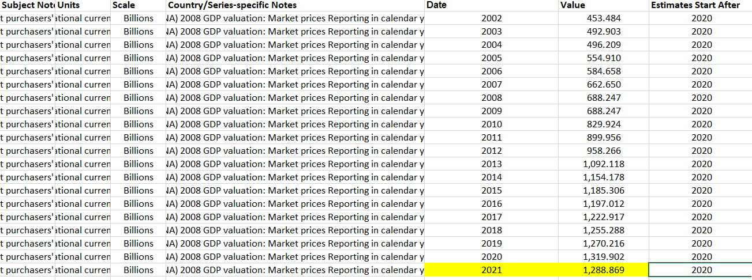
bbdd | Tabla | Campo
FMI_WEO | WEODatabaseByCountryGroups | Year | Ejemplo Cálculo
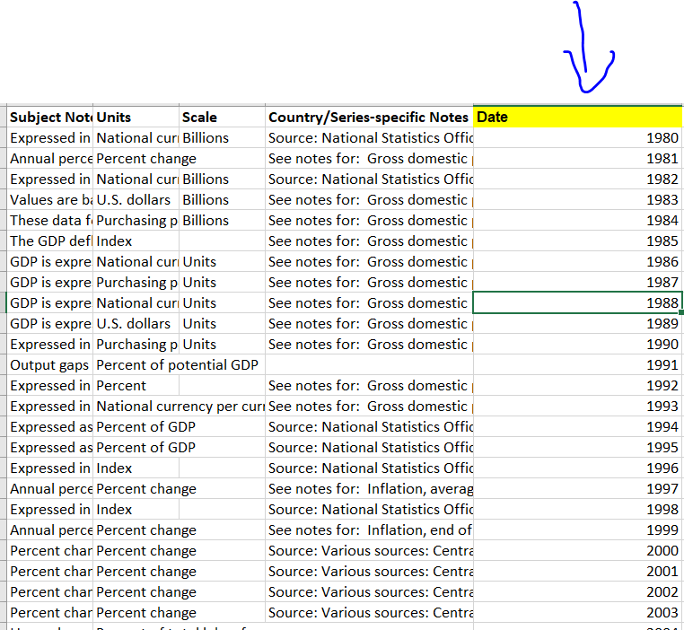

bbdd | Tabla | Campo
FMI_WEO | WEODatabaseByCountryGroups | Value | Ejemplo Cálculo

bbdd | Tabla | Campo
FMI_WEO | WEODatabaseByCountry | Value / Year | Ejemplo Cálculo

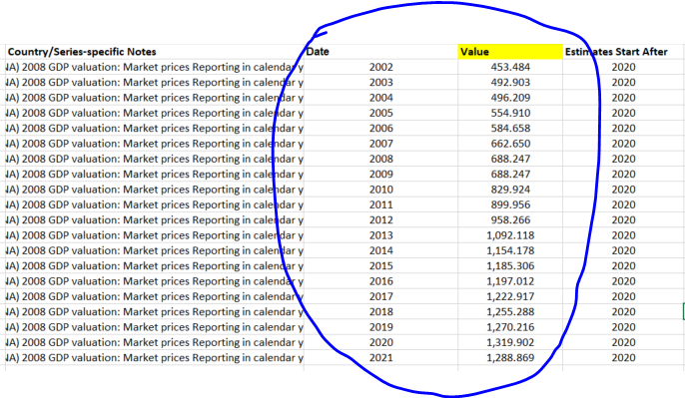

bbdd | Tabla | Campo
IHS | Alternative Propulsion Forecast_Query | Quarter-Year | Ejemplo Cálculo

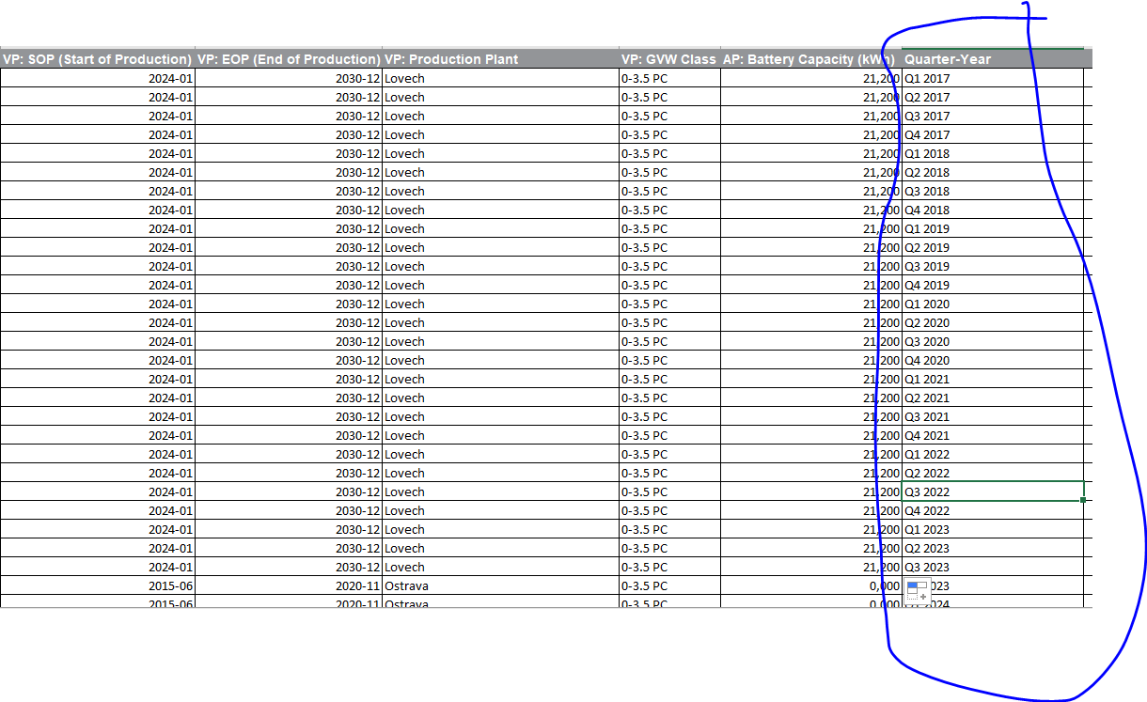

bbdd | Tabla | Campo
IHS | Alternative Propulsion Forecast_Query | Value | Ejemplo Cálculo

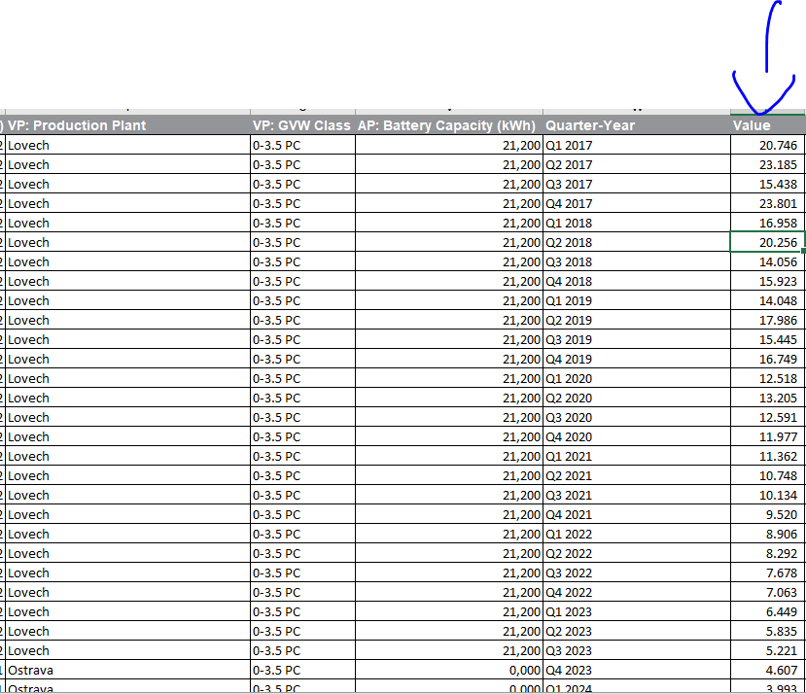

bbdd | Tabla | Campo
IHS | Alternative Propulsion Forecast_Query | Version | Ejemplo Cálculo

bbdd | Tabla | Campo
IHS | IHSLVSalesBaseGlobal | Version | Ejemplo Cálculo

bbdd | Tabla | Campo
IHS | IHSLVSalesBaseGlobal | Version | Ejemplo Cálculo

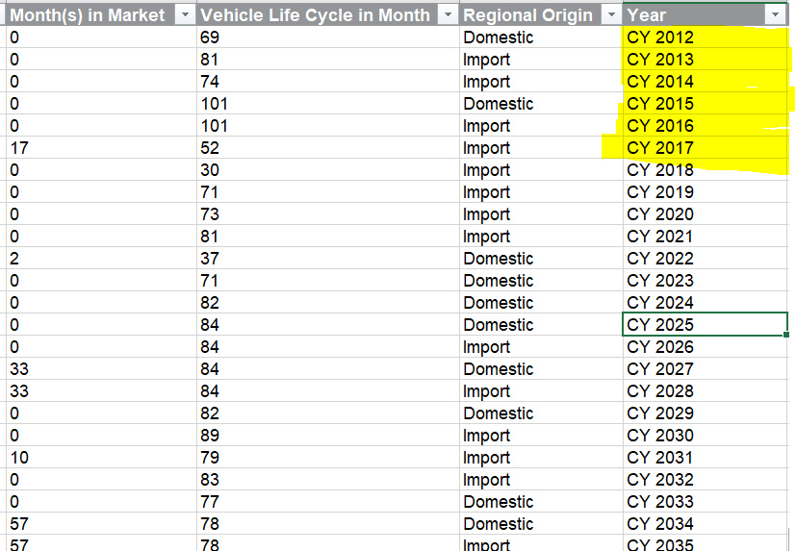

bbdd | Tabla | Campo
IHS | IHSLVSalesBaseGlobal | Version | Ejemplo Cálculo

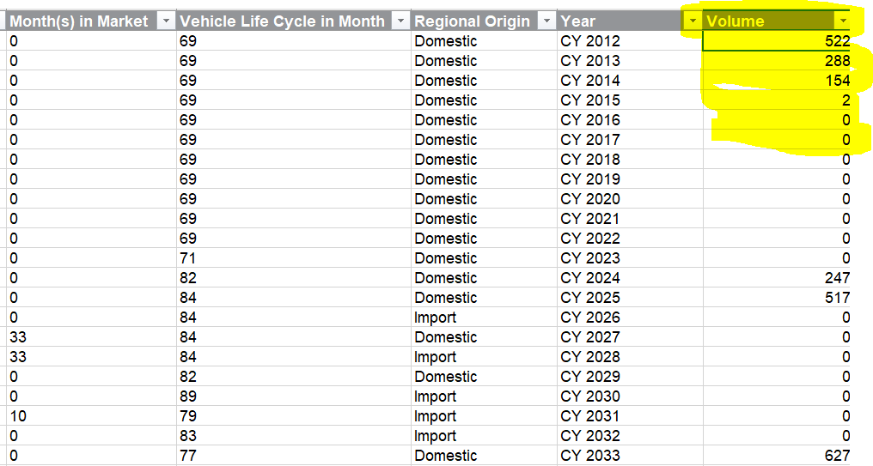

bbdd | Tabla | Campo
IHS | GPAK_Month_Qtr_CY | Version | Ejemplo Cálculo

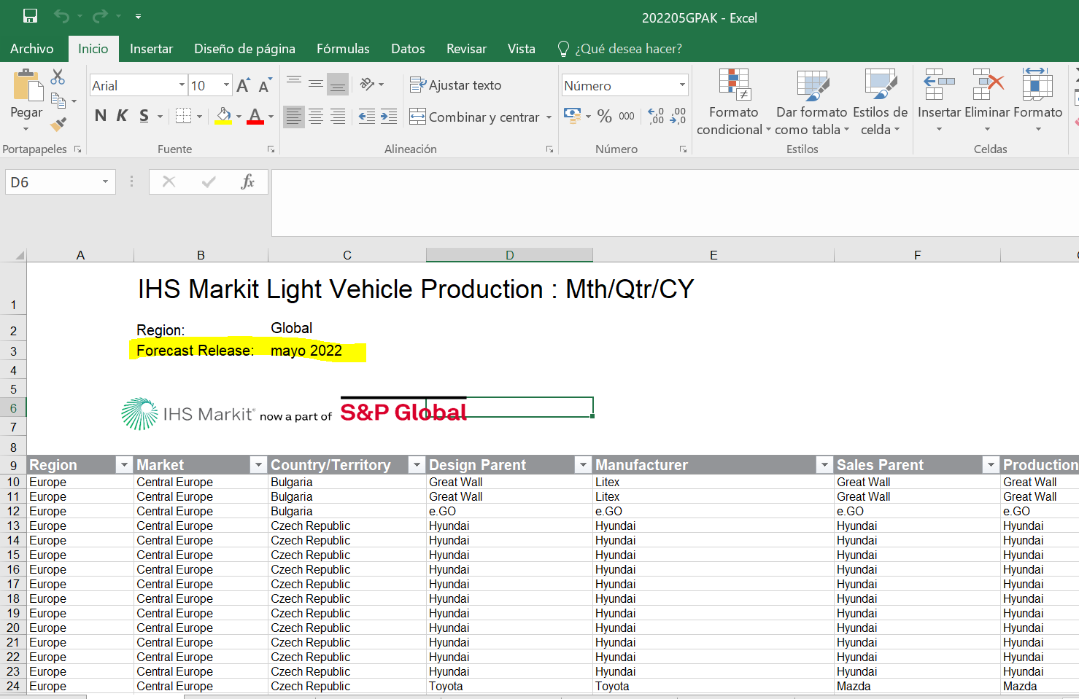

bbdd | Tabla | Campo
IHS | GPAK_Month_Qtr_CY | Month-Year / Volume Month-Year | Ejemplo Cálculo

bbdd | Tabla | Campo
IHS | GPAK_Month_Qtr_CY | Quarter-Year / Volume Quarter-Year | Ejemplo Cálculo

bbdd | Tabla | Campo
IHS | IHSLVProductionCapacityGlobal | Version | Ejemplo Cálculo
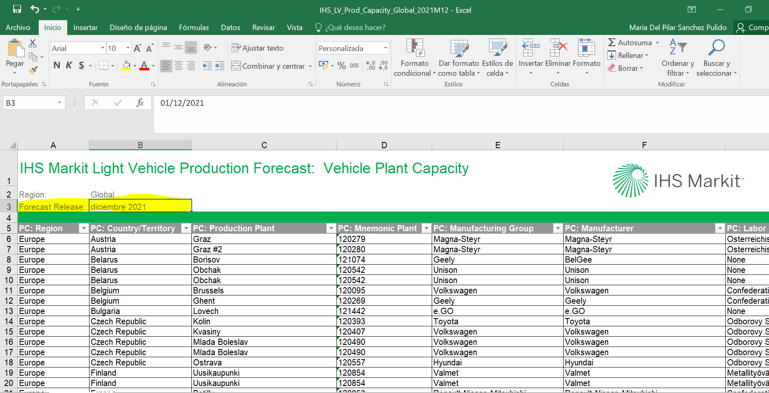

bbdd | Tabla | Campo
IHS | IHSLVProductionCapacityGlobal | Production Year / Volume Production Year | Ejemplo Cálculo

bbdd | Tabla | Campo
IHS | IHSLVProductionCapacityGlobal | Volume Straight Time Capacity | Ejemplo Cálculo

Antes de la transformación

Transformación

bbdd | Tabla | Campo
IHS | IHSLVProductionCapacityGlobal | Volume Maximum Capacity | Ejemplo Cálculo

Antes de la transformación

Transformación

bbdd | Tabla | Campo
IHS | IHSLVProductionCapacityGlobal | Volume Normalized Capacity | Ejemplo Cálculo

Antes de la transformación

Transformación

bbdd | Tabla | Campo | CAPA SILVER
IHS | IHSLVProductionCapacityGlobal | Volume Normalized Capacity | Ejemplo Cálculo

Detalle cálculo campo Value

